1. Title Page
[Instacart Basket Analysis]

Project Name: Instacart Basket Analysis
Date: 11/23/2022
Analyst Name: Elisandra Cunha

Contents:
Population Flow
Consistency checks
Wrangling steps
Column derivations
Visualizations
Recommendations

 | source: | https://www.instacart.com/datasets/grocery-shopping-2017

2. Population Flow
 |  |  | Title page

Population flow

Exclusion flag
Condition: max_order <
Obervations to be removed:
Final total count of order_products_all:

Orders_products_combined
Orders_products_merged
Orders_products_all

Total:
Total:
Total:
32,434,489 | 32,406,041 | 32,406,041

1.) The grey boxes in the first row of the population flow represent the original data sets as they were when you downloaded them. In the Total fields you need to add the count of the rows when you imported the data set into Jupyter.
2.) The second row of boxes (coloured) represents the data sets after you manipulated them, e.g., removed missing values and duplicates. In the Total fields you need to add the count of the rows after conducting these operations. This offers a visual oveview of how the data flows throughout the data consistency checks.
3.) The third row, where also the arrows are coloured, represents the merges you performed between the datasets. In the Total fields you need to add the count of the rows in the merged datasets, so that you end up with the final dataset (in the red box). Keep in mind the final dataset should be without exclusions (based on the exclusion flag).

3. Consistency checks
 |  |  |  | Title page
Consistency checks

Dataset | Missing values | Missing values treatment | Duplicates
orders | 206206 (days_since_prior_order) | Vaues represented new customers. A new column was created to flag new x returning customers, but NaN values remained in place in column. | 0

products | 16 (product_name) | Left as missing | 5

orders_products_prior | none | N/A | 0
customers | 11259 (first_name) | Left as missing | 0

4. Wrangling steps
 |  |  |  |  | Title page
Wrangling steps

Data set | Columns dropped | Columns renamed | Columns' type changed | Comment/Reason
orders |  | orders_dow, user_id |  | not obvious name; changed to orders_day_of_week
orders | eval_set |  |  | unnecessary
orders |  |  | order_id, user_id | changed from integer to string; id number is not used for calculations

customers |  | 'Surnam': 'last_name' |  | changed to to match orders data from merge.
customers |  | 'User_id': 'user_id' |  | changed to to match orders data from merge.
customers |  | STATE': 'state |  | changed to to match orders data from merge.
customers |  | fam_status': 'marital_status |  | changed to to match orders data from merge.
customers |  | N_Dependants': 'no_of_dependants |  | changed to to match orders data from merge.

products | Unnamed: 0 |  |  | unnecessary

instacart_loyalty | _merge |  |  | unnecessary

5. Column derivations
 |  |  |  | Title page

Column derivations and aggregations

In this tab you should add tables below that the frequences of flags/label variables that you produced after deriving them. NB: don't do this for continuous variables, only for flags.
Dataset | New column | Column/s it was derived from | Conditions
orders_products_merged | price_range_loc | prices | If price > 15, then 'High Range Product' ; If price <= 15 & >=5 then 'Mid range products; If price <= 5 then 'Low range product'
 | busiest day | orders_day_of_week | for value in 'orders_day_of_week', if value == 1 or value == 0 then 'Busiest day', if value == 4 or value == 3, then 'Slowest days', else 'Regular days'
 | period_of_day | order_hour_of_day | for value in 'order_hour_of_day', if value == 11 or value == 10, then 'Most orders'; else if value == 4 or value == 3, then 'Fewest orders', else 'Average orders'

instacart_loyalty | spender_flag | customer_id and prices(mean) | if mean price < 10 then 'Low spender', if mean price >= 10, then 'High spender'
 | frequency_flag | customer_id and days_since_prior_order(median)[called 'customer_frequency'] | If 'customer_frequency' > 20 then 'Non-Frequent Customer'; If 'customer_frequency' <= 20 and >10 then 'Regular Customer'; If 'customer_frequency' <= 10 then 'Frequent Customer', If 'customer_frequency' is null, then 'New Customer'

merge_busy_orders | loyalty_flag | customer_id, and order_number(max)[called 'max_order'] | If 'max_order' > 40 then 'Loyal customer'; If 'max_order' <=40 and >10, then 'Regular customer'; If 'max_order' <= 10 then 'New customer'

6. Visualizations
 |  |  | Title page

Visualisations

In this tab you should include all the visualtions from Exercises 4.9 and 4.10, alongside the questions from the project brief that they answer. Include any commentary on the relationship between different variables.

1. The sales team needs to know what the busiest days of the week and hours of the days are in order to schedule ads at times where there are fewer orders.
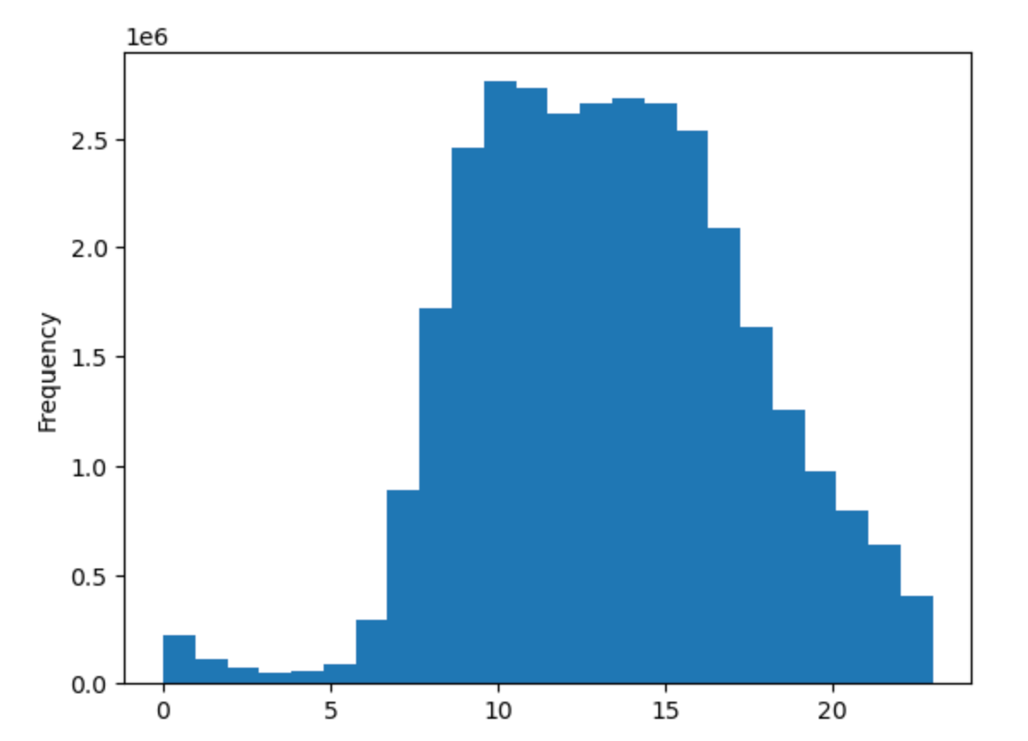

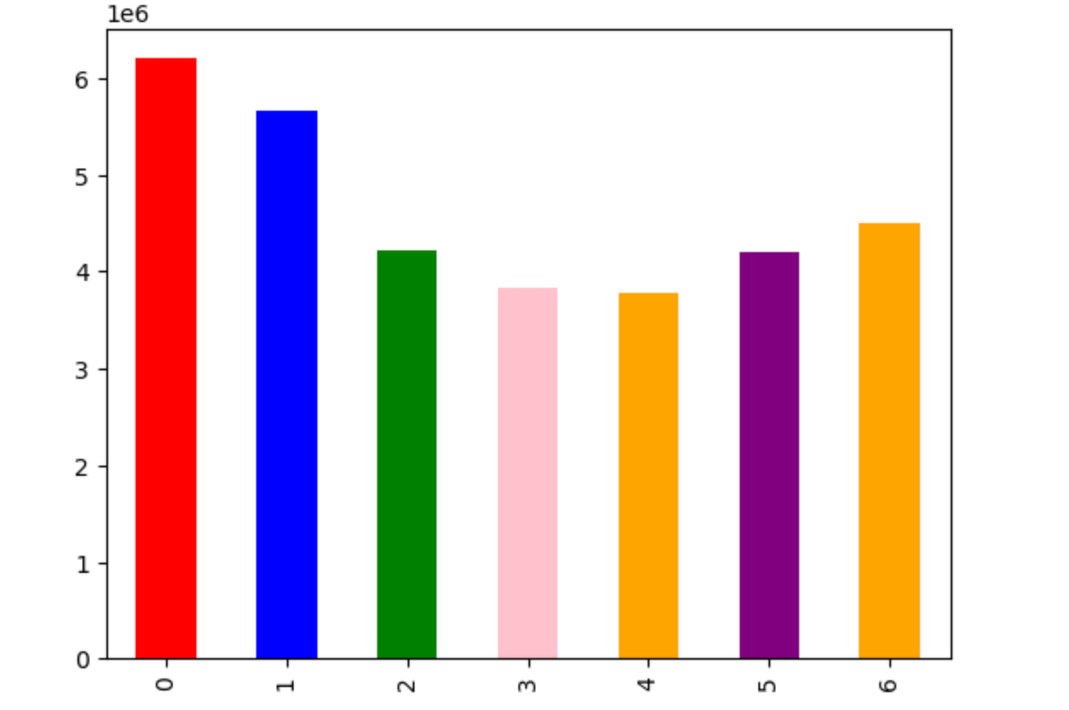

 | The busiest days of the week are Saturday and Sunday, The least busiest days occur during the week with the least busy day being Wednesday. | The busiest hours of the day sre from hours 9 (9am) to 16 (4pm). The least busiest hours are from hours 0 (12am) to 5 (5am).

2. They also want to know whether there are particular times of the day when people spend the most money, as this might inform the type of products they advertise at these times.

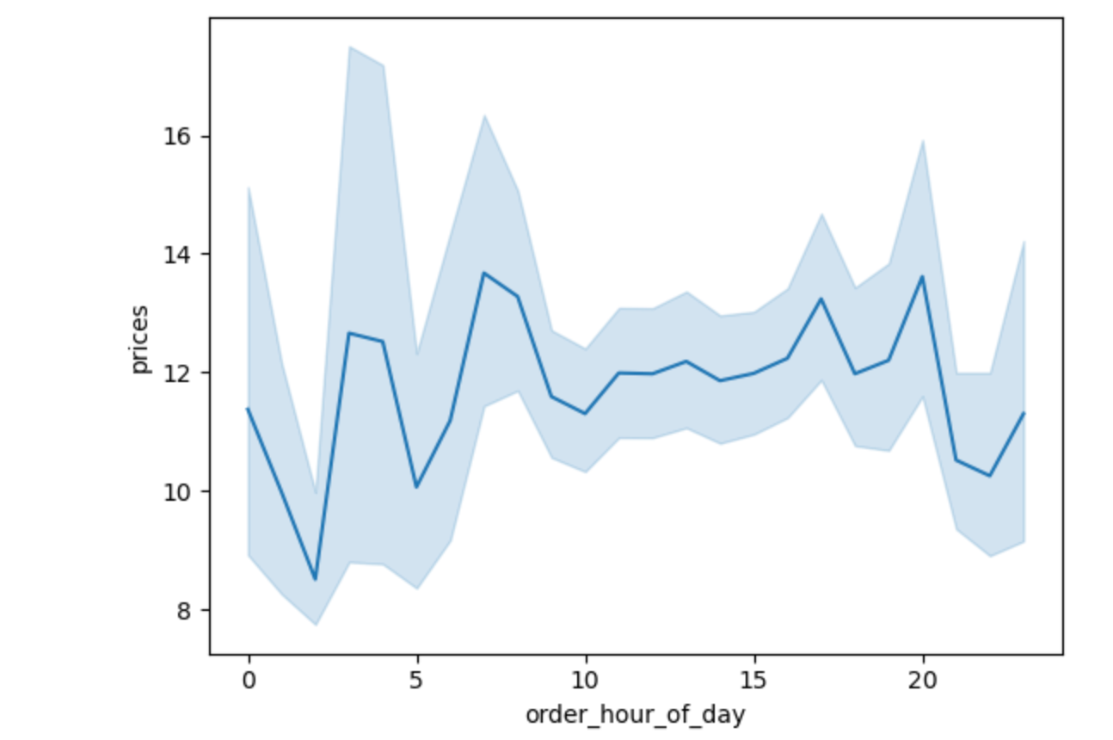

 |  | It appears that customers are more likely to buy more expensive products at odd hours of the morning, then lower prices during 'regular' in the morning; the cost of products bought begins to increase again after 10 am, then falls around 8 pm.

3. What's the distribution among users in regards to their brand loyalty (ie how often do they return to Instacart)?

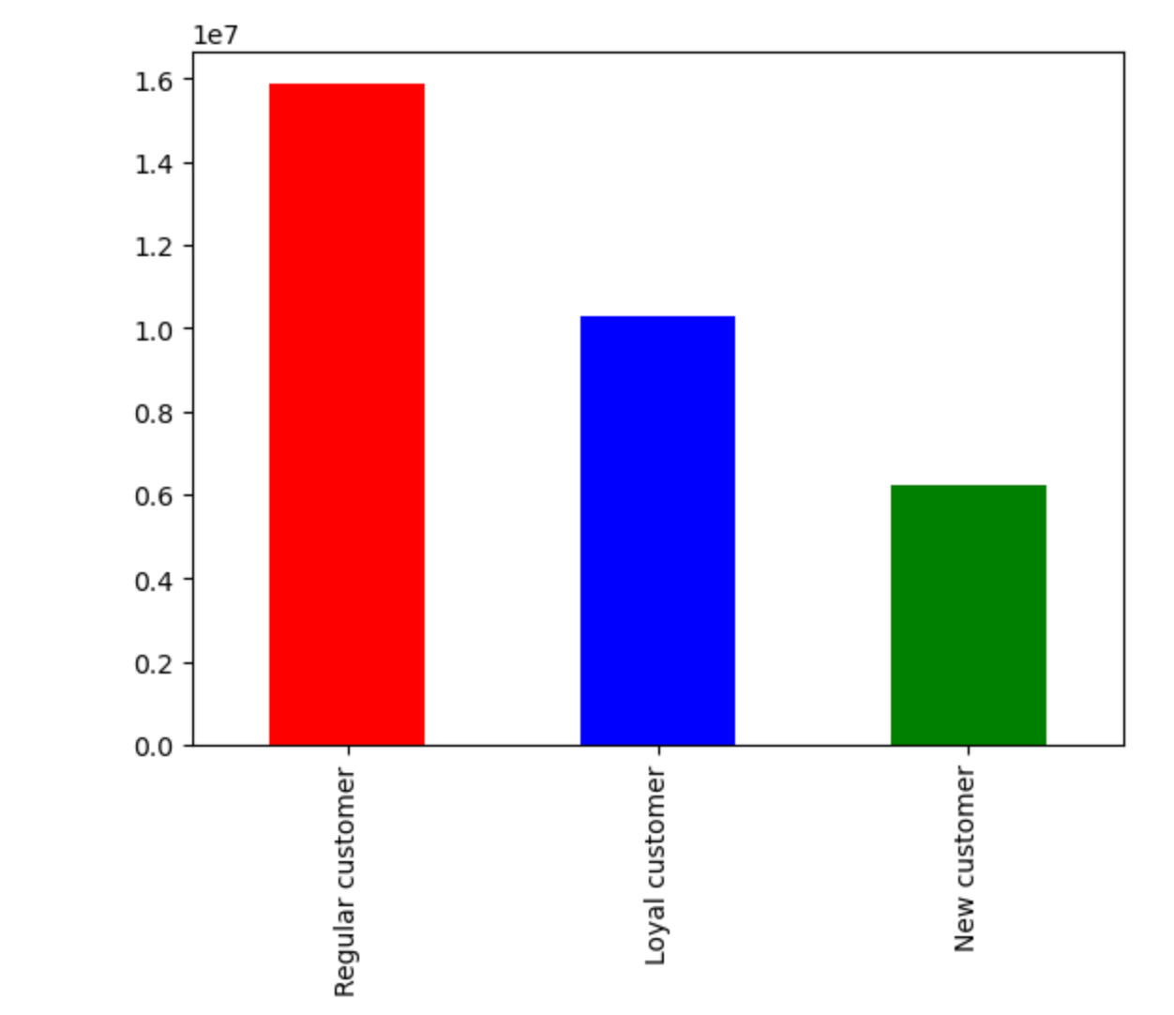

 |  | There are more regular customers (those that put in between 40 and 10) than loyal customers (those that have put in over 40 orders).

4. Explore whether there is a connection between age and spending power using a scatterplot.

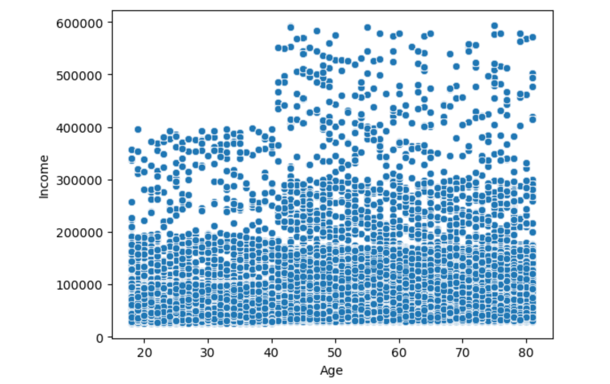

 |  | There is an increase in income after age 40 for a fraction of the population, but it seems that most people of all ages are generally below the 200,000 mark.

5. Determine whether there's a connection between age and family situations be creating a line chart exploring the connections between age and number of dependants.

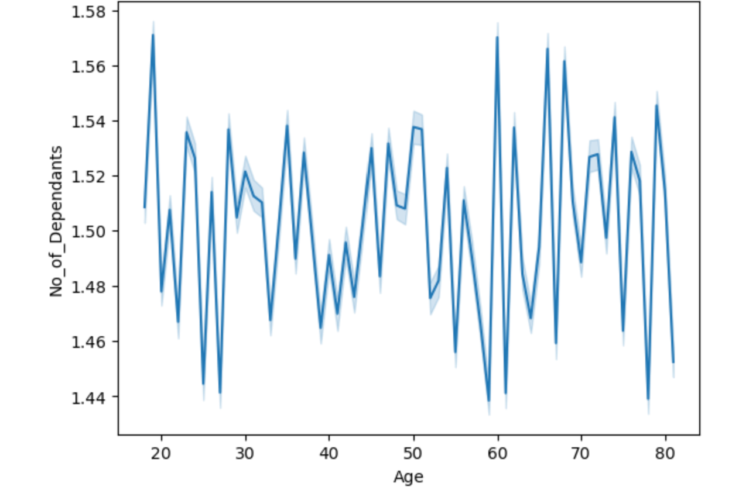

 |  | The correlation between Instacart customer age and number of dependants is not clear .

6. The marketing and sales teams are particularly interested in the different types of customers in their system and how their ordering behaviors differ.

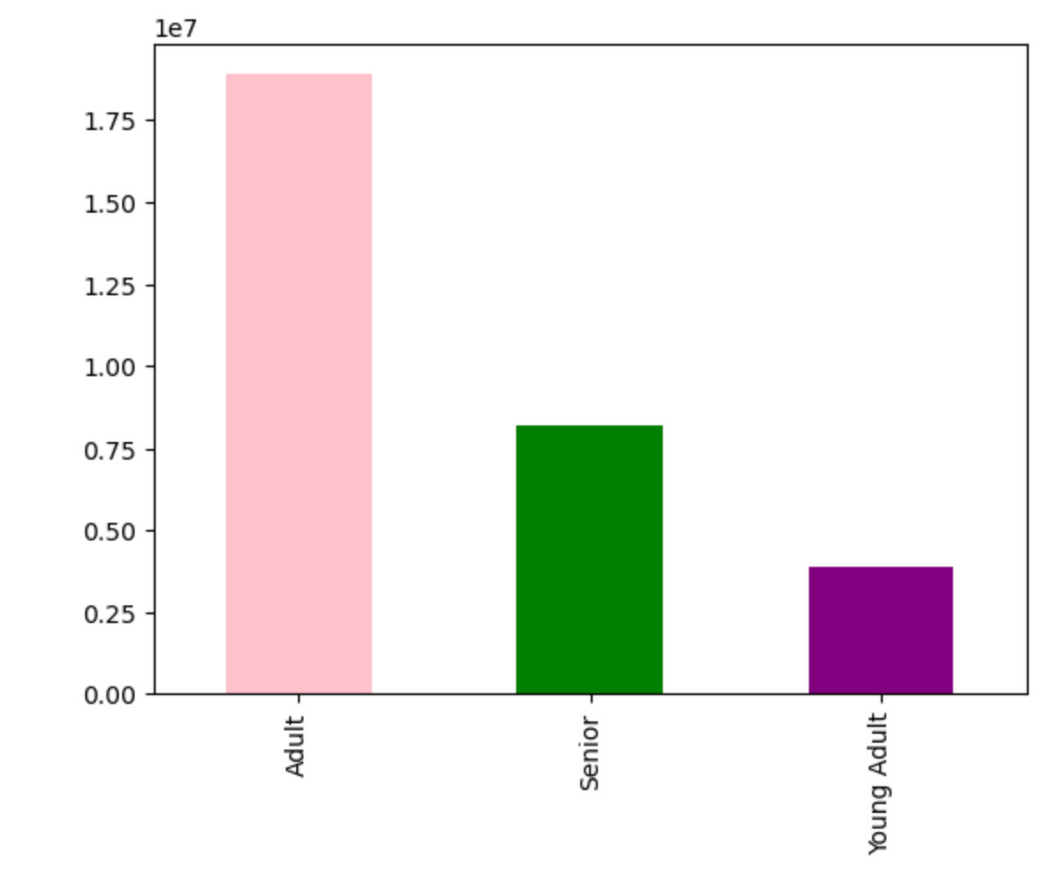
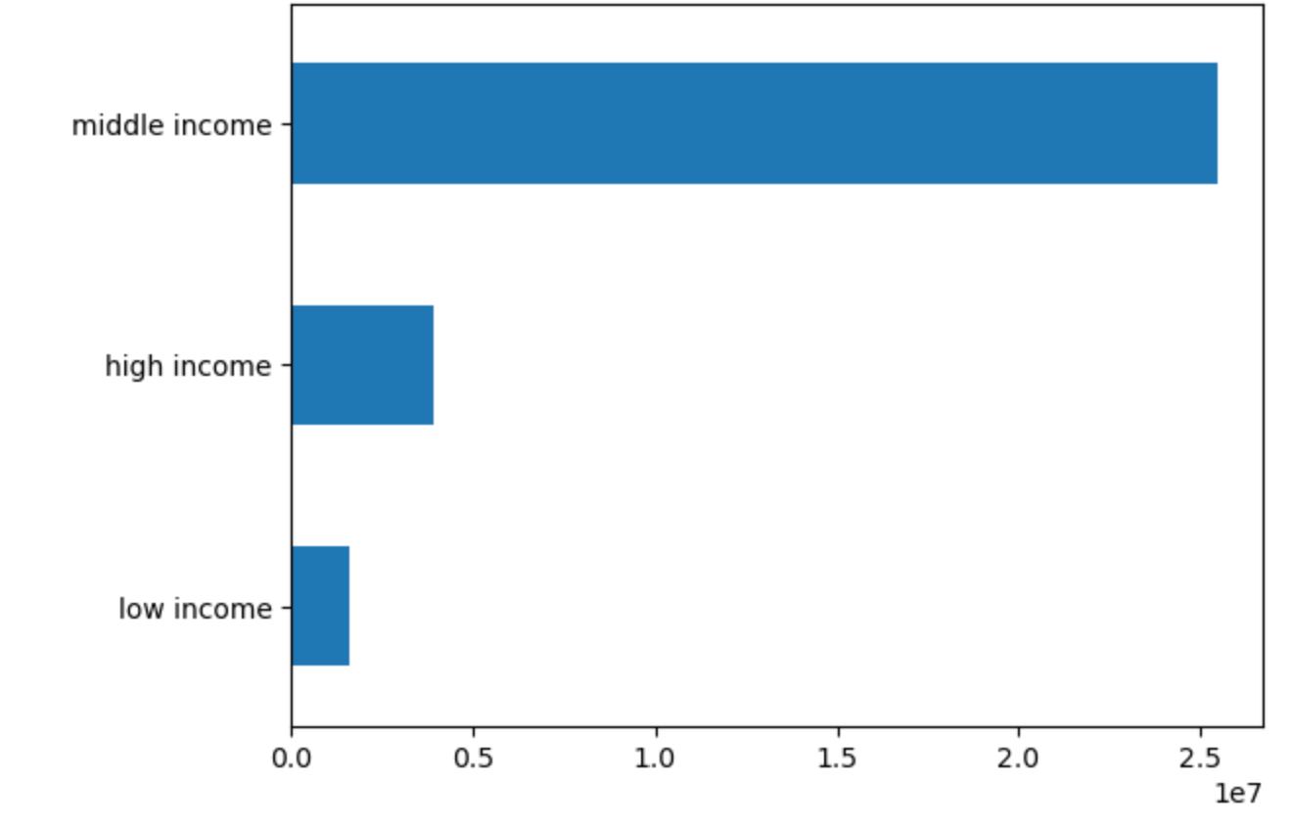

 |  |  |  | A really good amount of Instacarts customer are Adults . In addition, the majority of the customer based are considered middle income, which correlates to have a salary between $40K -150K.

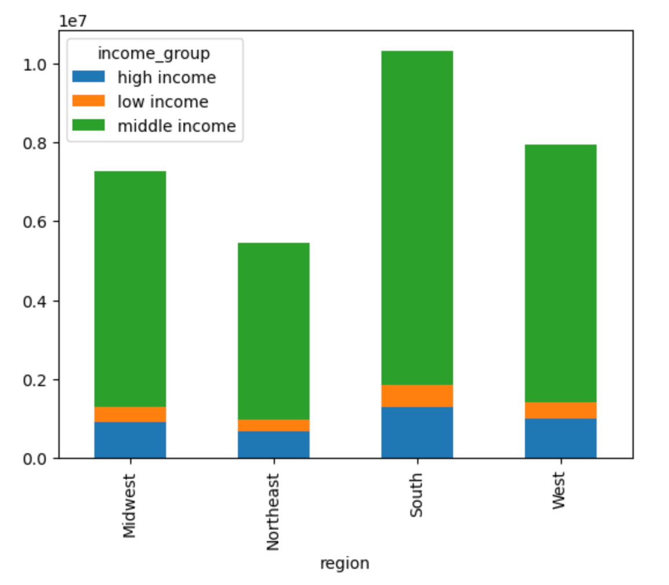
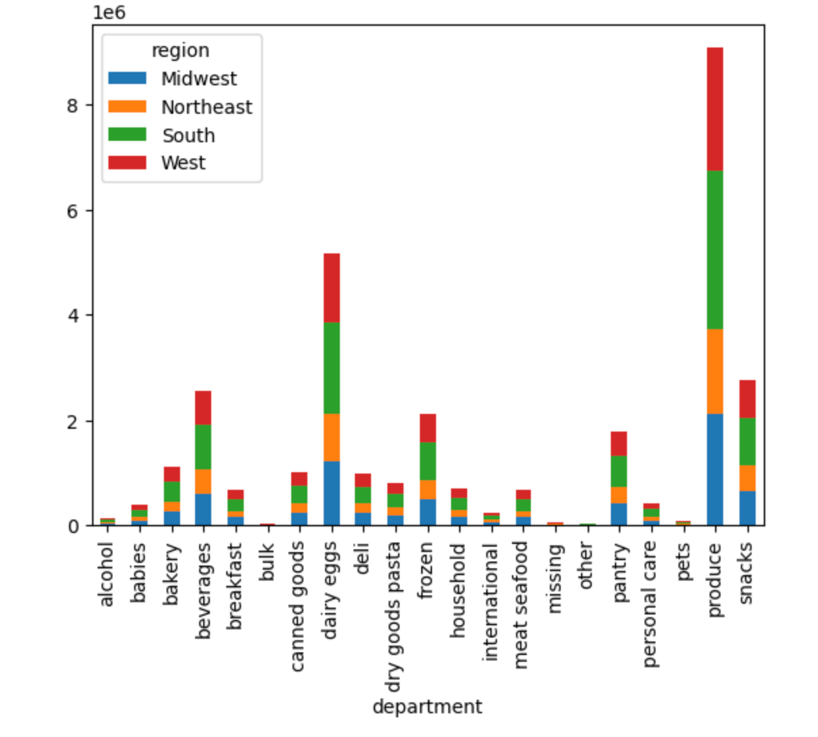

 |  |  |  | One of the most famous departments is the produce department in all the regions, and with that department, the Southern and Western regions make up the bulk of customers.

7. Recommendations
 |  |  | Title page

Recommendations

In this tab you should include any recommendations you would made to Instcart in terms of their marketing strategy based on the questions posed in the brief. Every key question has been covered in the Tasks of the Exercises - here you need to add an item - a visualisation or table/crosstable that is showing the answer in the data, acompanied by a comment from you. Please, list the questions below and add the answer underneath.

Question | Answer
Key Question 1
Key Question 2
Key Question 3
Key Question 4
Key Question 5
Key Question 6
Key Question 7 |  | Final Recommendations:
 |  | To improve the instcarts growth,we should keep our eyes on the following:
 |  | Southern Region
 |  | Western Region
 |  | Adults
 |  | People who make between $40,000 and $150,000 (middle-income)

